Sheet1
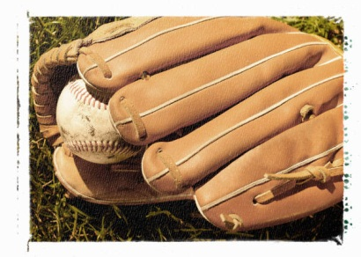
Player | Card Year | Condition | Value
Davey Lopes | 1973 | Very good | $3.50
Reggie Jackson | 1969 | Good | $152.00
Mike Schmidt | 1974 | Very good | $13.00
Lou Brock | 1962 | Mint | $73.00
Cal Ripken | 1983 | Good | $7.00
Hank Aaron | 1958 | Mint | $399.00
Rod Carew | 1972 | Good | $23.00
Willie Stargell | 1967 | Mint | $10.00

